Function
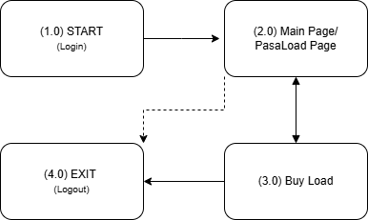
PasaLoad Mini-Project (HTML, CSS, Bootstrap, and JavaScript)

Description: [PSL_1.0] Login Page
Condition:
 | Steps | Expected Result | Actual Result | Passed /Failed
1.1 | Opening the website in a web browser | redirect to the Login page | successfully redirected to the login module | Passed
1.2 | Input a username and password in the text box | accept user keyboard inputs | inputs are properly displayed in the text box | Passed
1.3 | Pressing login after inputting a username and password | redirect to the main page/pasaload page | succesfully redirected to the PasaLoad page | Passed

Description: [PSL_2.0] Main Page (PasaLoad Page)
Condition:
 | Steps | Expected Result | Actual Result | Passed /Failed
2.1 | Opening the main page in a web browser | redirect to the PasaLoad page | successfully redirected to the PasaLoad module | Passed
2.2 | Input a mobile number and amount in the input box | accept user keyboard inputs | inputs are properly displayed in the text box | Passed
2.3 | Pressing "PasaLoad!" button after inputting a mobile number and amount | displays a confirmation message that includes: your inputted mobile number, amount loaded, and your current balance after the process | successfully displayed the expected output (confirmation message) | Passed
2.4 | Pressing the "History" button | displays a modal showing the recent PasaLoad transaction | successfully displayed the expected output (PasaLoad history) | Passed
2.5 | Pressing the "Show Balance" button in the navigation bar | displays a toast showing the current balance | successfully displayed the expected output (current balance) | Passed
2.6 | Pressing the "Buy Load" button in the navigation bar | redirect to the Buy Load page | successfully redirected to the Buy Load module | Passed
2.7 | Pressing the "Log Out" button in the navigation bar | redirect to the Login page | successfully redirected to the Login module | Passed

Description: [PSL_3.0] Buy Load
Condition:
 | Steps | Expected Result | Actual Result | Passed /Failed
3.1 | Opening the Buy Load page in a web browser | redirect to the Buy Load page | successfully redirected to the Buy Load module | Passed
3.2 | Input an amount and a password in the input box | accept user keyboard inputs | inputs are properly displayed in the text box | Passed
3.3 | Pressing "Buy" button after inputting a mobile number and amount | displays a confirmation message that includes amount loaded and your current balance after the process | successfully displayed the expected output (confirmation message) | Passed
3.4 | Pressing the "Home" button in the navigation bar | redirect to the Main Page | successfully redirected to the PasaLoad module | Passed
3.5 | Pressing the "Log Out" button in the navigation bar | redirect to the Login page | successfully redirected to the Login module | Passed

 | Functional Diagram

